Sheet1
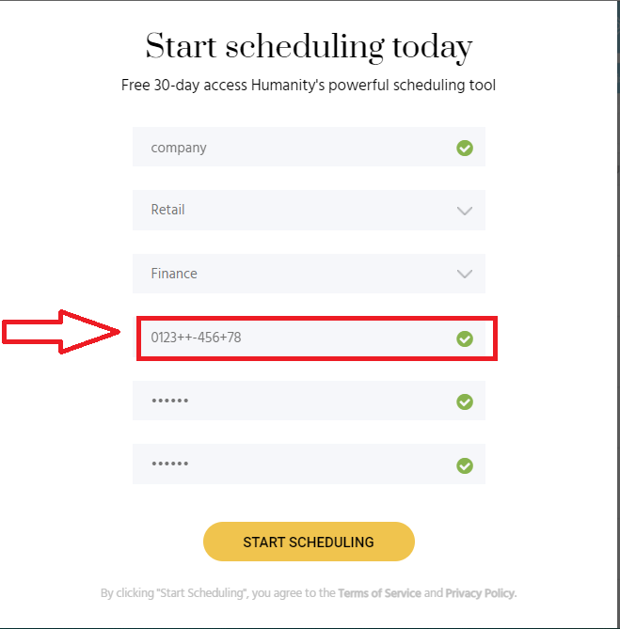
Summary: | [Phone number] [SingUp] User can enter invalid phone number and successfully sing up to page
Description: | When user enters invalid phone number the green checkmark appears as approval that the entered phone number is valid. User can also successfully sing up to page and enter users profile.

 | Steps:

 | 1.Open Chrome Browser
 | 2.Go to following URL: https://www.humanity.com/
 | 3.In "Full name" field enter full name (Exapmle: Petar Petkovic)
 | 4.In "Work Email" field enter valid email (Example: petkovicp@gmail.com)
 | 5.Check the "Nisam robot" checkbox
 | 6.Check required pictures
 | 7.Click "Potvrdi" button
 | 8.Click "Start my free trial" button
 | 9.Enter company name in "Company name" field (Example: company)
 | 10.Choose industry in "Industry "drop-down menu
 | 11.Choose functional role in"Functional role" drop-down menu
 | 12.Enter invalid phone number in "Phone number" field (Example: 0123++-456+78)
 | 13.Enter password in "Password" field (Example: pass12)
 | 14.Repeat password in the "repeat password" field (Example: pass12)
 | 15.Click the" START SCHEDULING" button

Expected result: | The notification"Invalid phone number format" appears under the"Phone number" field and a red x is visible on right side of the "Phone number" field
Actual result: | The green chekmark appears on the right side of the "Phone number" field and user can sing in and get access to user profile

Priority: | Low
Severity: | Low
Repro rate: | 100%

Screenshots:

